Search-Table
PM5406CGA-SF7150WS | ⭠Please input the model name e.g. B1402CVA-NK7110X

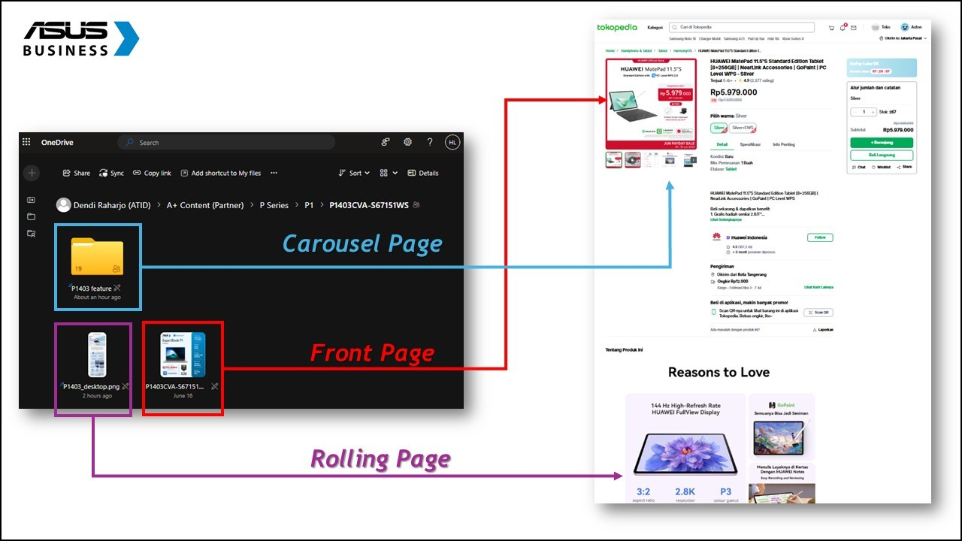
Product Name | ASUS ExpertBook PM5 | Material Link | https://drive.google.com/file/d/1YxXzyMQAKpxBZd_uQ2Tvjg9_N_lEoB9z/view?usp=drive_link
Tagline | Work reimagined, with AI
KSP | - Aluminum chassis with 16:10 OLED screen, delivers deeper contrast and true-to-life colors. - All-day portability with up to 28-hour battery life and a lightweight 1.33 kg design - Supporting up to 45W TDP, the advanced cooling design ensures stable power and optimal temperatures.
Title | ASUS ExpertBook PM5 (AMD Ryzen™AI 7 445 2.0GHz/16GB/512GB/Win 11 Home/PM5406CGA)
CPU | AMD Ryzen™AI 7 445 2.0GHz NPU 50 TOPs
GPU | AMD Radeon™ 840M
OS | Windows 11 Home
Panel Size | Not Found
Reslolution | WUXGA (1920 x 1200) 16:10
Brightness | 300nits
RAM | DDR5 16GB
SSD | 512GB M.2 2280 NVMe™ PCIe® 4.0 SSD
IO Port | 1x USB 3.2 Gen 2 Type-C support display / power delivery 1x USB 4.0 Type-C support display / power deliver 2x USB 3.2 Gen 1 Type-A 1x HDMI 2.1 TMDS 1x 3.5mm Combo Audio Jack 1x RJ45 Gigabit Ethernet
Weight (with Battery) | 1.33 kg (2.93 lbs)
Size | 31.27 x 22.71 x 1.04 ~ 1.80 cm
Expansion Slot | 2x DDR5 SO-DIMM slots 1x M.2 2230 PCIe 4.0x4 1x M.2 2280 PCIe 4.0x4
Include in the box | Backpack
Battery | 70WHrs
Power Supply | TYPE-C, 90W AC Adapter
Security | FingerPrint

Dashboard
Summary Section |  |  |  |  | Incomplete KSP & Link Tracker
Total Products |  |  | 393 | 100% | Missing KSP |  | Missing Link
Total Completed |  |  | 108 | 27% | Total Incomplete | 39 | Total Incomplete | 274
Total Incompleted |  |  | 285 | 73% | Total Incomplete Rate | 10% | Total Incomplete Rate | 70%
 |  |  |  |  | Missing KSP Product List |  | Missing Link Product List

 |  |  |  |  | B1402CBA_ID-NK7850X |  | D500SE-380500031W
 |  |  |  |  | EG3408WVAK-BPC385W |  | D500SE-382000031W
 |  |  |  |  | EG3408WVAK-BPC585X |  | D500SE-382000031X
 |  |  |  |  | EG3408WVAK-BPC515X |  | D500SE-385000031W
 |  |  |  |  | EG3408WVAK-BPC785X |  | D500SE-385000031X
Chassis-Type-Level Summary (NX / AIO / PF) |  |  |  |  | E1600WKAT-BD182WF |  | D500SE-580500033W
Chassis Type |  | NX | AIO | PF | P440VAK-B3851WS |  | D500SE-580520033W
Total Products |  | 139 | 163 | 90 | S501ME-382000013W |  | D500SE-585000031W
Total Completed |  | 62 | 37 | 9 | S501ME-385000013W |  | D500SE-585000031X
Total Completion Rate |  | 45% | 23% | 10% | S501ME-585000013W |  | D500SE-785000033X
 | PM Completed | 110 | 41 | 9 | B5405CCA-NZ5150X |  | D500TE-380500033W
 | PM Completed Rate | 79% | 25% | 10% | B5405CVA-NZ5150X |  | D500TE-580500035W
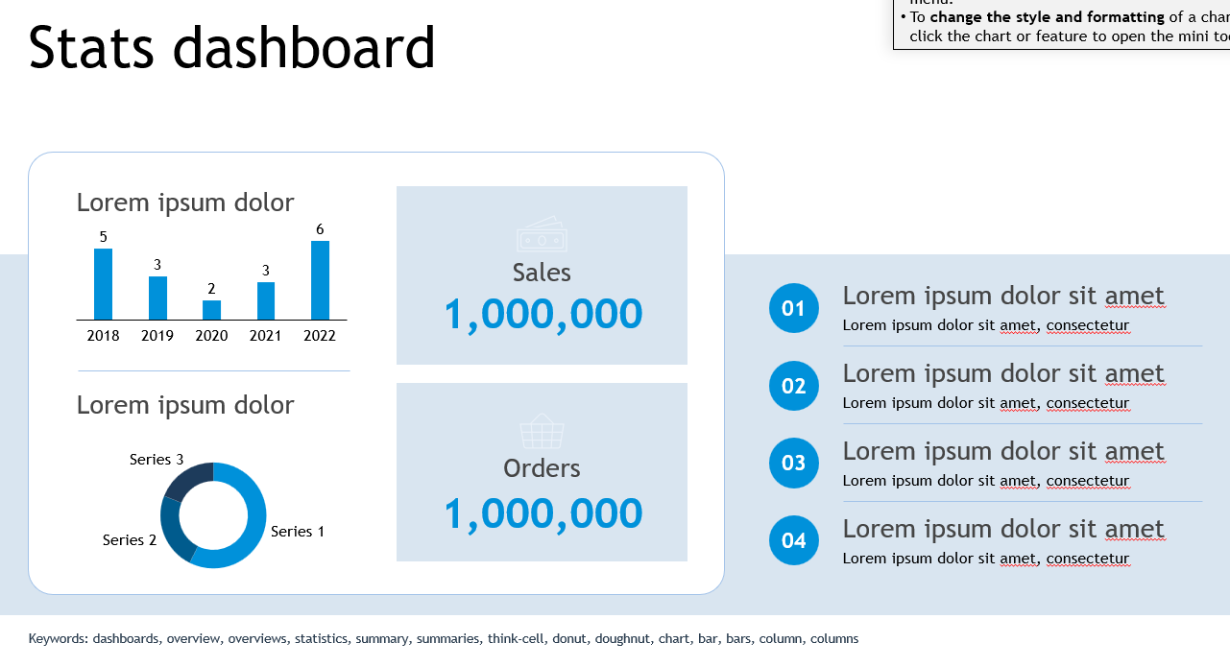
 | PMKT Completed | 69 | 157 | 87 | B1400CBA-EK7150X |  | D500TE-580500035X
 | PMKT Completed Rate | 50% | 96% | 97% | B1400CBA-EB5111X |  | D500TE-585000032W
 |  |  |  |  | B5402CBA-KI7110X |  | D500TE-585000032X
 |  |  |  |  | B1400CBA-EB7111X |  | D500TE-780500035W
 |  |  |  |  | B5405CVA-NZ7110X |  | D500TE-785000035W
 |  |  | Total Products | 55 | B5402FBA-HY7110WS |  | D500TE-785000035X
 |  |  | Total Completed | 45 | B1402CBA_ID-NK7850X |  | D501SER-385000001W
 |  |  |  |  | B5405CCA-NZ7310X |  | D501SER-385000001X
 |  |  |  |  | B5402FBA-HY7110X |  | D501SER-585000001W
 |  |  |  |  | B5302FBA-LG7110X |  | D501SER-585000001X
 |  |  |  |  | B1400CBA-EK7850X |  | D501SER-785000001W
 |  |  |  |  | B1402CBA-NK4149X |  | D501SER-785000001X
 |  |  |  |  | B1402CBA-NK5853WS |  | DG500MER-715X
 |  |  |  |  | B1402CVA-NK5151X |  | S500SE-385000001W
 |  |  |  |  | B3402FBA-EC7150X |  | S500SE-585030000W
 |  |  |  |  | B3402FVA-EC7150X |  | S500SE-715030000W
 |  |  |  |  | B3402FVA-EC5851WS |  | S500TE-3131000300
 |  |  |  |  | B3404CVF-Q55150X |  | S500TE-382000002W
 |  |  |  |  | B3404CVA-Q57150X |  | S500TE-382000003W
 |  |  |  |  | B3405CVA-LY7150X |  | S500TE-382000013W
 |  |  |  |  | B3405CVA-LY5150X |  | S500TE-385000002W
 |  |  |  |  | B3405CCA-LY7110X |  | S500TE-585000002W
 |  |  |  |  | B3405CCA-LY5150X |  | S500TE-585000050W
 |  |  |  |  | B3405CCA-LY5152X |  | S500TE-585030002W
 |  |  |  |  | B3405CCA-LY7150X |  | S500TE-715030000W
 |  |  |  |  | CX1405CTA-S65810 |  | S500TE-715030002W
 |  |  |  |  | 0 |  | S500TE-785000000W
 |  |  |  |  |  |  | S500TE-785030002W
 |  |  |  |  |  |  | S501MER-385000003W
 |  |  |  |  |  |  | S501MER-585000003W
 |  |  |  |  |  |  | S501MER-585000003W
 |  |  |  |  |  |  | S501MER-785000005W
 |  |  |  |  |  |  | S503MER-385018WS
 |  |  |  |  |  |  | S503MER-585018WS
 |  |  |  |  |  |  | S503MER-785033WS
 |  |  |  |  |  |  | PG440VAK-BPC385W
 |  |  |  |  |  |  | PG440VAK-BPC585W
 |  |  |  |  |  |  | PG440VAK-BPC515W
 |  |  |  |  |  |  | PG440VAK-BPC711W
 |  |  |  |  |  |  | PG440VAK-BPC585X
 |  |  |  |  |  |  | PG440VAK-BPC515X
 |  |  |  |  |  |  | PG440VAK-BPC711X
 |  |  |  |  |  |  | PG500MV-385W
 |  |  |  |  |  |  | PG500MV-715W
 |  |  |  |  |  |  | PG500MV-7116W
 |  |  |  |  |  |  | PG500MV-585W
 |  |  |  |  |  |  | PG500MV-585X
 |  |  |  |  |  |  | E1600WKAT-BD182WF
 |  |  |  |  |  |  | A3402WVAK-WPC515WS
 |  |  |  |  |  |  | A3402WVAT-WPD515WS
 |  |  |  |  |  |  | A3402WVAT-WPD715WS
 |  |  |  |  |  |  | A3202WBAK-WPB382W
 |  |  |  |  |  |  | A3202WBAK-WPB385W
 |  |  |  |  |  |  | A3202WBAK-WPB585W
 |  |  |  |  |  |  | A3402WBAK-WPC515WS
 |  |  |  |  |  |  | A3402WBAT-WPD515WS
 |  |  |  |  |  |  | A3402WBAK-WPC715WS
 |  |  |  |  |  |  | A3402WBAT-WPD715WS
 |  |  |  |  |  |  | M3402WFAK-WPC511WS
 |  |  |  |  |  |  | A3202WVAK-WPB385WS
 |  |  |  |  |  |  | A3402WVAK-WPC385WS
 |  |  |  |  |  |  | A3202WVAK-WPB585WS
 |  |  |  |  |  |  | A3402WVAK-WPC515WS
 |  |  |  |  |  |  | A3402WVAT-WPD515WS
 |  |  |  |  |  |  | A3402WVAK-WPC715WS
 |  |  |  |  |  |  | A3402WVAT-WPD715WS
 |  |  |  |  |  |  | A5402WVART-WPD711WS
 |  |  |  |  |  |  | A5702WVART-BPF731WS
 |  |  |  |  |  |  | M3402WFAK-WPC385WS
 |  |  |  |  |  |  | M3402WFAK-WPC511WS
 |  |  |  |  |  |  | E3402WVAK-BPC785X
 |  |  |  |  |  |  | E3402WVAK-BPC585X
 |  |  |  |  |  |  | A3402WVAK-WPC5151WS
 |  |  |  |  |  |  | A3402WVAK-WPC7151WS
 |  |  |  |  |  |  | A3202WBAK-BPB3820W
 |  |  |  |  |  |  | A3202WBAK-BPB3850W
 |  |  |  |  |  |  | A3402WVAK-WPC5850WS
 |  |  |  |  |  |  | A3202WVAK-BPB5850WS
 |  |  |  |  |  |  | E1600WKAT-BMR182W
 |  |  |  |  |  |  | P440VAK-B3851WS
 |  |  |  |  |  |  | E3202WBAK-BA3805W
 |  |  |  |  |  |  | E3402WBAK-BA5805W
 |  |  |  |  |  |  | E3202WBAK-BA385W
 |  |  |  |  |  |  | E3202WBAK-BA585W
 |  |  |  |  |  |  | E3402WBAK-BA785W
 |  |  |  |  |  |  | E3402WVAK-BP585WS
 |  |  |  |  |  |  | E3402WVAK-BPC585WS
 |  |  |  |  |  |  | E3402WVAK-BPC785WS
 |  |  |  |  |  |  | A3202WBAK-WA585W
 |  |  |  |  |  |  | A3202WBAK-WA382W
 |  |  |  |  |  |  | A3202WBAK-WA385W
 |  |  |  |  |  |  | A3402WBAK-WA585WS
 |  |  |  |  |  |  | A3402WBAK-WA715WS
 |  |  |  |  |  |  | A3202WVAK-WPB382WS
 |  |  |  |  |  |  | P440VAK-B5851WS
 |  |  |  |  |  |  | P440VAK-B5151WS
 |  |  |  |  |  |  | P440VAK-W5851WS
 |  |  |  |  |  |  | P440VAK-W5151WS
 |  |  |  |  |  |  | P440VAK-B7851WS
 |  |  |  |  |  |  | P440VAK-W7851WS
 |  |  |  |  |  |  | P440VAK-W7151WS
 |  |  |  |  |  |  | P440VAT-B5151WS
 |  |  |  |  |  |  | P440VAT-W5151WS
 |  |  |  |  |  |  | P440VAT-B7151WS
 |  |  |  |  |  |  | P440VAT-W7151WS
 |  |  |  |  |  |  | P470VAK-B7151WS
 |  |  |  |  |  |  | P470VAK-B5151WS
 |  |  |  |  |  |  | P470VAT-B7151WS
 |  |  |  |  |  |  | P470VAT-W7151WS
 |  |  |  |  |  |  | P470VAT-B5151WS
 |  |  |  |  |  |  | P440VAK-W3851WS
 |  |  |  |  |  |  | P470VAT-B7110WSH
 |  |  |  |  |  |  | P470VAT-W7110WSH
 |  |  |  |  |  |  | S500TE-585000003W
 |  |  |  |  |  |  | S500TE-785030000W
 |  |  |  |  |  |  | S501ME-382000013W
 |  |  |  |  |  |  | S501ME-385000013W
 |  |  |  |  |  |  | S501ME-585000013W
 |  |  |  |  |  |  | S503MER-585033WS
 |  |  |  |  |  |  | P500MV-3850181WS
 |  |  |  |  |  |  | P500MV-5850331WS
 |  |  |  |  |  |  | P500MV-7850331WS
 |  |  |  |  |  |  | S503MER-3850331WS
 |  |  |  |  |  |  | S503MER-5850331WS
 |  |  |  |  |  |  | S503MER-7850501WS
 |  |  |  |  |  |  | B5405CCA-NZ5150X
 |  |  |  |  |  |  | BG1409CVA-S67150X
 |  |  |  |  |  |  | B5405CVA-NZ5150X
 |  |  |  |  |  |  | BG1409CVA-S65150X
 |  |  |  |  |  |  | B1400CBA-EK7150X
 |  |  |  |  |  |  | B1400CBA-EB5111X
 |  |  |  |  |  |  | B5402CBA-KI7110X
 |  |  |  |  |  |  | BG1409CVA-S67850X
 |  |  |  |  |  |  | B1400CBA-EB7111X
 |  |  |  |  |  |  | B5405CVA-NZ7110X
 |  |  |  |  |  |  | B5402FBA-HY7110WS
 |  |  |  |  |  |  | B1402CBA_ID-NK7850X
 |  |  |  |  |  |  | B5405CCA-NZ7310X
 |  |  |  |  |  |  | B5402FBA-HY7110X
 |  |  |  |  |  |  | B5302FBA-LG7110X
 |  |  |  |  |  |  | P440VAK-B3821W
 |  |  |  |  |  |  | P440VAK-B3851W
 |  |  |  |  |  |  | PM670KAK-W7310WS
 |  |  |  |  |  |  | A3202WBAK-BPB1850W
 |  |  |  |  |  |  | PM640KAK-B7150WS
 |  |  |  |  |  |  | PM640KAK-W5150WS
 |  |  |  |  |  |  | P440VAK-B5852WS
 |  |  |  |  |  |  | P440VAK-B5152WS
 |  |  |  |  |  |  | P440VAK-W5852WS
 |  |  |  |  |  |  | P440VAT-B5852WS
 |  |  |  |  |  |  | P440VAK-B7852WS
 |  |  |  |  |  |  | P440VAK-B7152WS
 |  |  |  |  |  |  | P440VAK-W7852WS
 |  |  |  |  |  |  | P440VAT-W7852WS
 |  |  |  |  |  |  | P470VAK-W7852WS
 |  |  |  |  |  |  | P470VAT-B7152WS
 |  |  |  |  |  |  | P470VAT-W7152WS
 |  |  |  |  |  |  | P470VAT-B7112WSH
 |  |  |  |  |  |  | P470VAT-W7112WSH
 |  |  |  |  |  |  | P470VAK-B5852WS
 |  |  |  |  |  |  | P470VAT-B5852WS
 |  |  |  |  |  |  | P500SV-3850181WS
 |  |  |  |  |  |  | P500MV-5850332WS
 |  |  |  |  |  |  | P500MV-5850332X
 |  |  |  |  |  |  | P500SV-5850182WS
 |  |  |  |  |  |  | P500SV-7850182WS
 |  |  |  |  |  |  | P500MV-7850332WS
 |  |  |  |  |  |  | P500MV-7850332X
 |  |  |  |  |  |  | P500MV-3850182WS
 |  |  |  |  |  |  | P500SV-3850182WS
 |  |  |  |  |  |  | P500MV-3850182X
 |  |  |  |  |  |  | BG1409CVA-S65851WR
 |  |  |  |  |  |  | BG1409CVA-S65851XR
 |  |  |  |  |  |  | BG1409CVA-S65151XR
 |  |  |  |  |  |  | BG1409CVA-S65151WR
 |  |  |  |  |  |  | BG1409CVA-S67851WR
 |  |  |  |  |  |  | BG1409CVA-S67851XR
 |  |  |  |  |  |  | BG1409CVA-S67151XR
 |  |  |  |  |  |  | BG1409CVA-S67151WR
 |  |  |  |  |  |  | BG1409CVA-S67111WR
 |  |  |  |  |  |  | BG1409CVA-S67111XR
 |  |  |  |  |  |  | BG1409CVA-S63850WR
 |  |  |  |  |  |  | BG1409CVA-S65850WR
 |  |  |  |  |  |  | BG1409CVA-S65850XR
 |  |  |  |  |  |  | BG1409CVA-S65150WR
 |  |  |  |  |  |  | BG1409CVA-S65150XR
 |  |  |  |  |  |  | BG1409CVA-S67850WR
 |  |  |  |  |  |  | BG1409CVA-S67850XR
 |  |  |  |  |  |  | BG1409CVA-S67150WR
 |  |  |  |  |  |  | BG1409CVA-S67150XR
 |  |  |  |  |  |  | BG1409CVA-S67110WR
 |  |  |  |  |  |  | BG1409CVA-S67110XR
 |  |  |  |  |  |  | PG500MV-385WR
 |  |  |  |  |  |  | PG500MV-585WR
 |  |  |  |  |  |  | PG500MV-585XR
 |  |  |  |  |  |  | PG500MV-7116WR
 |  |  |  |  |  |  | PG500MV-715WR
 |  |  |  |  |  |  | PG440VAK-BPC385WR
 |  |  |  |  |  |  | PG440VAK-BPC585WR
 |  |  |  |  |  |  | PG440VAK-BPC585XR
 |  |  |  |  |  |  | PG440VAK-BPC515WR
 |  |  |  |  |  |  | PG440VAK-BPC515XR
 |  |  |  |  |  |  | PG440VAK-BPC711WR
 |  |  |  |  |  |  | PG440VAK-BPC711XR
 |  |  |  |  |  |  | PG440VAK-BPC785WR
 |  |  |  |  |  |  | PG440VAK-BPC715WR
 |  |  |  |  |  |  | P1403CVA-S63822WS
 |  |  |  |  |  |  | P1403CVA-S63852WS
 |  |  |  |  |  |  | P1403CVA-S65852WS
 |  |  |  |  |  |  | P1403CVA-S65152WS
 |  |  |  |  |  |  | P1403CVA-S67852WS
 |  |  |  |  |  |  | P1403CVA-S63852X
 |  |  |  |  |  |  | P1403CVA-S65852X
 |  |  |  |  |  |  | P1403CVA-S65152X
 |  |  |  |  |  |  | PM1403CDA-S65850WS
 |  |  |  |  |  |  | PM1403CDA-S65851WS
 |  |  |  |  |  |  | PM1403CDA-S65150WS
 |  |  |  |  |  |  | PM1403CDA-S65151WS
 |  |  |  |  |  |  | PM1403CDA-S67151WS
 |  |  |  |  |  |  | B9406CAA-TG5152WS
 |  |  |  |  |  |  | P500SV-5850181WS
 |  |  |  |  |  |  | P500SV-7850181WS
 |  |  |  |  |  |  | PM640GAT-W7310WSH
 |  |  |  |  |  |  | PM640GAT-W5350WSH
 |  |  |  |  |  |  | PM640GAK-B7310WS
 |  |  |  |  |  |  | PM640GAK-B5350WS
 |  |  |  |  |  |  | PM670GAT-W7310WSH
 |  |  |  |  |  |  | PM670GAT-W5350WSH
 |  |  |  |  |  |  | PM670GAK-B7310WS
 |  |  |  |  |  |  | PM670GAK-B5350WS
 |  |  |  |  |  |  | P440VAK-W5152WS
 |  |  |  |  |  |  | P440VAT-W5152WS
 |  |  |  |  |  |  | P440VAK-W7152WS
 |  |  |  |  |  |  | P440VAT-W7152WS
 |  |  |  |  |  |  | P440VAK-B3852WS
 |  |  |  |  |  |  | P440VAK-B3852W
 |  |  |  |  |  |  | P440VAK-W3852W
 |  |  |  |  |  |  | P440VAK-B5852W
 |  |  |  |  |  |  | P470VAK-B7152WS
 |  |  |  |  |  |  | P470VAK-W7152WS
 |  |  |  |  |  |  | P470VAK-W5852WS
 |  |  |  |  |  |  | B1402CBA-NK4149X
 |  |  |  |  |  |  | B1402CBA-NK5853WS
 |  |  |  |  |  |  | B1402CVA-NK5151X
 |  |  |  |  |  |  | B1403CVA-S67150X
 |  |  |  |  |  |  | B1403CVA-S65853X
 |  |  |  |  |  |  | B1403CVA-S63854X
 |  |  |  |  |  |  | B1403CVA-S65152X
 |  |  |  |  |  |  | B1403CVA-S67151X
 |  |  |  |  |  |  | B3405CVA-LY7150X
 |  |  |  |  |  |  | B3405CVA-LY5150X
 |  |  |  |  |  |  | B3405CCA-LY7110X
 |  |  |  |  |  |  | B3405CCA-LY5150X
 |  |  |  |  |  |  | B3405CCA-LY5152X
 |  |  |  |  |  |  | B3405CCA-LY7150X
 |  |  |  |  |  |  | CX1405CKA-S64810
 |  |  |  |  |  |  | CX1405CTA-S65810
 |  |  |  |  |  |  | CX3402CVA-PQ3820
 |  |  |  |  |  |  | CX3402CVA-PQ3820N
 |  |  |  |  |  |  | CX3402CVA-PQ5820
 |  |  |  |  |  |  | CX3402CVA-PQ5150
 |  |  |  |  |  |  | 0

